Sheet1
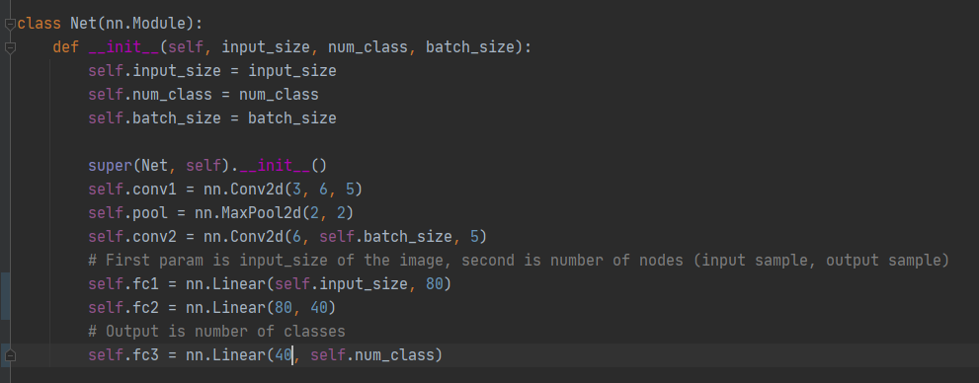
Batch Size | Epochs | Accuracy of Network | Accuracy of none | Accuracy of Enemy
5 | 1 | 85.11% | 78.01% | 91.13%
10 | 1 | 89.00% | 78.94% | 96.22%
16 | 1 | 80.15% | 75.85% | 86.38%

